Bulk Form (Fill Me Out!)
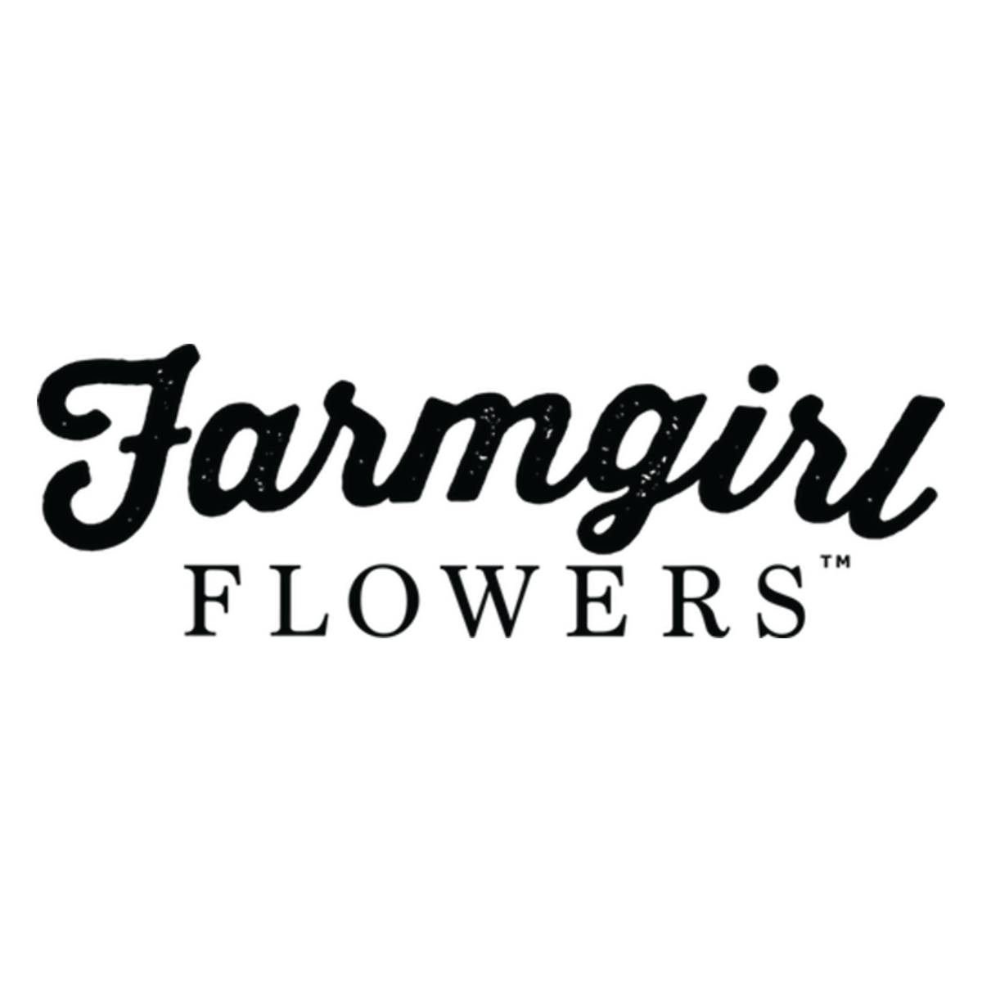
 | Bulk Order Form

 | Sender (that's you!) Billing Info
 | Who are these coming from? (Please fill out entirely, if information is missing it may delay your order processing)

 | First Name |  |  |  | Address Line 1 |  |  |  | State
Shop Page | Last Name |  |  |  | Address Line 2 |  |  |  | Zip
FAQ's | Email |  |  |  | City |  |  |  | Phone #

 | Receiver Shipping Info
 | Who are these going to? (Please fill out entirely, if information is missing it may delay your order processing)

 | Product | Qty | First Name | Last Name | Business Name | Address Line 1 | Address Line 2 | City | State | Zipcode | Phone | Card Message (350 Character Count Max)
Total Order Lines | Out Of Office Palm | 2 | Phil | O'dendron | Plant Party City | 1 Monstera Way | Suite 4 | Forest Hills | CA | 11000 | 555-555-5555 | Enjoy this little friend! Hope it brightens your day!
0

